Summary
Sample # | Tissue | Brain | Slide # | Array # | Ct | cDNA Amp Cycle | Agilent [cDNA] pg/ul | Dilution Factor | Final [cDNA] pg/ul | Total cDNA ng yield | cDNA Input | SI cycles | Ave frag length | Agilent [lib] pg/ul | Dilution Factor | Final [lib] pg/ul | index_name | index(i7) | index2_workflow_a(i5) | index2_workflow_b(i5) | % Coverage Array | Est Read Pairs
45v_Nac_SVB | NAc | Hs_Br6423 | V13F06-313 | A1 | 15.78 | 16 | 6,103.22 | 2.00 | 12206.44 | 488.26 | 122.06 | 15 | 491 | 4,290.45 | 2.00 | 8,580.90 | SI-TT-E6 | TTGAGAGTCA | AACCTGGTAG | CTACCAGGTT | 95 | 285000000
46v_Nac_SVB | NAc | Hs_Br6423 | V13F06-313 | B1 | 15.87 | 16 | 9,978.37 | 1.00 | 9978.37 | 399.13 | 99.78 | 16 | 461 | 3,603.12 | 2.00 | 7,206.24 | SI-TT-F6 | TTGCCCGTGC | GCGTGAGATT | AATCTCACGC | 95 | 285000000
47v_Nac_SVB | NAc | Hs_Br8325 | V13F06-313 | C1 | 15.40 | 16 | 8,715.31 | 2.00 | 17430.62 | 697.22 | 174.31 | 15 | 482 | 3,877.99 | 4.00 | 15,511.96 | SI-TT-F7 | AATGTATCCA | AATGAGCTTA | TAAGCTCATT | 90 | 270000000
48v_Nac_SVB | NAc | Hs_Br6423 | V13F06-313 | D1 | 15.56 | 16 | 5,743.45 | 2.00 | 11486.90 | 459.48 | 114.87 | 15 | 431 | 3,077.81 | 1.00 | 3,077.81 | SI-TT-G6 | GCGGGTAAGT | TAGCACTAAG | CTTAGTGCTA | 97 | 291000000

45V_A1
46V_B1
47V_C1
48V_D1

Sample # | Tissue | Brain | Slide # | Array # | Ct | cDNA Amp Cycle | Agilent [cDNA] pg/ul | Dilution Factor | Final [cDNA] pg/ul | Total cDNA ng yield | cDNA Input | SI cycles | Ave frag length | Agilent [lib] pg/ul | Dilution Factor | Final [lib] pg/ul | index_name | index(i7) | index2_workflow_a(i5) | index2_workflow_b(i5) | % Coverage Array | Est Read Pairs
49v_Nac_SVB | NAc | Hs_Br8325 | V13M06-376 | A1 | 16.44 | 16 | 8,048.27 | 3.00 | 24144.81 | 965.79 | 241.45 | 15 | 435 | 5,620.73 | 6.00 | 33,724.38 | SI-TT-B7 | GCCTTCGGTA | CCAACGATTT | AAATCGTTGG | 85 | 255000000
50v_Nac_SVB | NAc | Hs_Br8325 | V13M06-376 | B1 | 16.22 | 16 | 6,083.29 | 5.00 | 30416.45 | 1216.66 | 304.16 | 14 | 452 | 4,313.25 | 3.00 | 12,939.75 | SI-TT-C7 | CGCGCACTTA | CCTGTATTCT | AGAATACAGG | 85 | 255000000
51v_Nac_SVB | NAc | Hs_Br8325 | V13M06-376 | C1 | 16.34 | 16 | 9,759.74 | 3.00 | 29279.22 | 1171.17 | 292.79 | 14 | 461 | 4,329.58 | 2.00 | 8,659.16 | SI-TT-D7 | CCTGTCAGGG | AGCCCGTAAC | GTTACGGGCT | 85 | 255000000
52v_Nac_SVB | NAc | Hs_Br8325 | V13M06-376 | D1 | 15.73 | 16 | 10,968.77 | 2.00 | 21937.54 | 877.50 | 219.38 | 15 | 506 | 3,602.83 | 5 | 18,014.15 | SI-TT-G7 | GTTTCACGAT | TTCGGCCAAA | TTTGGCCGAA | 90 | 270000000

49v_A1
50v_B1
51v_C1
52v_D1

Sample # | Tissue | Brain | Slide # | Array # | Ct | cDNA Amp Cycle | Agilent [cDNA] pg/ul | Dilution Factor | Final [cDNA] pg/ul | Total cDNA ng yield | cDNA Input | SI cycles | Ave frag length | Agilent [lib] pg/ul | Dilution Factor | Final [lib] pg/ul | index_name | index(i7) | index2_workflow_a(i5) | index2_workflow_b(i5) | % Coverage Array | Est Read Pairs
54v_NAc_SVB | Nac | Hs_Br6432 | V11D01-384 | B1 | 16.14 | 16 | 8,929.73 | 1.00 | 8929.73 | 357.19 | 89.30 | 16 | 487 | 2,789.37 | 1.00 | 2,789.37 | SI-TT-H5 | AGCAAGAAGC | TTGTGTTTCT | AGAAACACAA | 95 | 285000000

54v_B1

Sample # | Tissue | Brain | Slide # | Array # | Ct | cDNA Amp Cycle | Agilent [cDNA] pg/ul | Dilution Factor | Final [cDNA] pg/ul | Total cDNA ng yield | cDNA Input | SI cycles | Ave frag length | Agilent [lib] pg/ul | Dilution Factor | Final [lib] pg/ul | index_name | index(i7) | index2_workflow_a(i5) | index2_workflow_b(i5) | % Coverage Array | Est Read Pairs
57v_NAc_SVB | NAc | Hs_Br6471-Left | V13M06-377 | A1 | 15.59 | 16 | 15,435.01 | 1.00 | 15435.01 | 617.40 | 154.35 | 15 | 447 | 2,593.66 | 3.00 | 7,780.98 | SI-TT-E8 | GAGCAAGGGC | ATTGACTTGG | CCAAGTCAAT | 90 | 270000000
58v_NAc_SVB | NAc | Hs_Br6471-left | V13M06-377 | B1 | 15.49 | 16 | 12,116.83 | 1.00 | 12116.83 | 484.67 | 121.17 | 15 | 441 | 3,477.04 | 3.00 | 10,431.12 | SI-TT-F8 | CTCCTTTAGA | GACATAGCTC | GAGCTATGTC | 98 | 294000000
59v_NAc_SVB | NAc | Hs_Br6471-left | V13M06-377 | C1 | 15.81 | 16 | 4,620.09 | 1.00 | 4620.09 | 184.80 | 46.20 | 17 | 470 | 3,215.71 | 5.00 | 16,078.55 | SI-TT-G8 | TAAGCAACTG | CTATACTCAA | TTGAGTATAG | 85 | 255000000
60v_NAc_SVB | NAc | Hs_Br6471-left | V13M06-377 | D1 | 14.01 | 16 | 4,961.15 | 1.00 | 4961.15 | 198.45 | 49.61 | 17 | 445 | 3,029.05 | 7.00 | 21203.35 | SI-TT-H8 | ATAAGGATAC | ATAGATAGGG | CCCTATCTAT | 100 | 300000000

57v_A1
58v_B1
59v_C1
60v_D1

Sample # | Tissue | Brain | Slide # | Array # | Ct | cDNA Amp Cycle | Agilent [cDNA] pg/ul | Dilution Factor | Final [cDNA] pg/ul | Total cDNA ng yield | cDNA Input | SI cycles | Ave frag length | Agilent [lib] pg/ul | Dilution Factor | Final [lib] pg/ul | index_name | index(i7) | index2_workflow_a(i5) | index2_workflow_b(i5) | % Coverage Array | Est Read Pairs
61v_NAc_SVB | NAc | Hs_Br2743-Left | V13M06-378 | A1 | 14.98 | 15 | 2,153.83 | 1.00 | 2153.83 | 86.15 | 21.54 | 17 | 449 | 2,454.75 | 6.00 | 14,728.50 | SI-TT-B9 | TATTGAGGCA | CAGGTAAGTG | CACTTACCTG | 80 | 240000000
62v_NAc_SVB | NAc | Hs_Br2743-Left | V13M06-378 | B1 | 15.01 | 15 | 2,036.06 | 1.00 | 2036.06 | 81.44 | 20.36 | 17 | 437 | 3,747.16 | 5.00 | 18,735.80 | SI-TT-C9 | TATCAGCCTA | GTTTCGTCCT | AGGACGAAAC | 80 | 240000000
63v_NAc_SVB | NAc | Hs_Br2743-Left | V13M06-378 | C1 | 15.19 | 15 | 1,821.77 | 1.00 | 1821.77 | 72.87 | 18.22 | 17 | 460 | 2,913.38 | 4.00 | 11,653.52 | SI-TT-D9 | TGGTCCCAAG | CCTCTGGCGT | ACGCCAGAGG | 80 | 240000000
64v_NAc_SVB | NAc | Hs_Br2743-Left | V13M06-378 | D1 | 15.98 | 16 | 3,197.67 | 1.00 | 3197.67 | 127.91 | 31.98 | 17 | 476 | 2,729.54 | 5.00 | 13,647.70 | SI-TT-E9 | TGTCCCAACG | TCGATGTCCA | TGGACATCGA | 100 | 300000000

61v_A1
62v_B1
63v_C1
64v_D1

cDNA Agilent
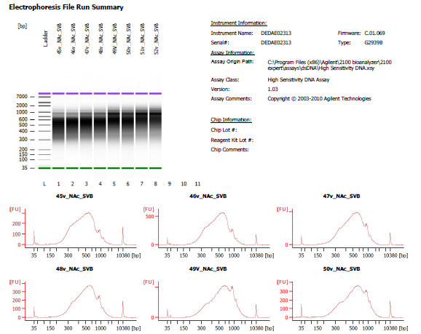

Sample # | Tissue | Brain | Slide # | Array # | Ct | cDNA Amp Cycle | Agilent [cDNA] pg/ul | Dilution Factor | Final [cDNA] pg/ul | Total cDNA ng yield
45v_Nac_SVB | Nac | Hs_Br6423 | V13F06-313 | A1 | 15.78 | 16 | 6,103.22 | 2.00 | 12206.44 | 488.26
46v_Nac_SVB | Nac | Hs_Br6423 | V13F06-313 | B1 | 15.87 | 16 | 9,978.37 | 1.00 | 9978.37 | 399.13
47v_Nac_SVB | Nac | Hs_Br8325 | V13F06-313 | C1 | 15.40 | 16 | 8,715.31 | 2.00 | 17430.62 | 697.22
48v_Nac_SVB | Nac | Hs_Br6423 | V13F06-313 | D1 | 15.56 | 16 | 5,743.45 | 2.00 | 11486.90 | 459.48

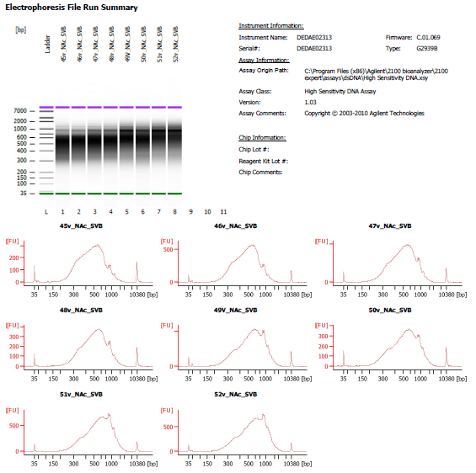
Sample # | Tissue | Brain | Slide # | Array # | Ct | cDNA Amp Cycle | Agilent [cDNA] pg/ul | Dilution Factor | Final [cDNA] pg/ul | Total cDNA ng yield
49v_Nac_SVB | Nac | Hs_Br8325 | V13M06-376 | A1 | 16.44 | 16 | 8,048.27 | 3.00 | 24144.81 | 965.79
50v_Nac_SVB | Nac | Hs_Br8325 | V13M06-376 | B1 | 16.22 | 16 | 6,083.29 | 5.00 | 30416.45 | 1216.66
51v_Nac_SVB | Nac | Hs_Br8325 | V13M06-376 | C1 | 16.34 | 16 | 9,759.74 | 3.00 | 29279.22 | 1171.17
52v_Nac_SVB | Nac | Hs_Br8325 | V13M06-376 | D1 | 15.73 | 16 | 10,968.77 | 2.00 | 21937.54 | 877.50

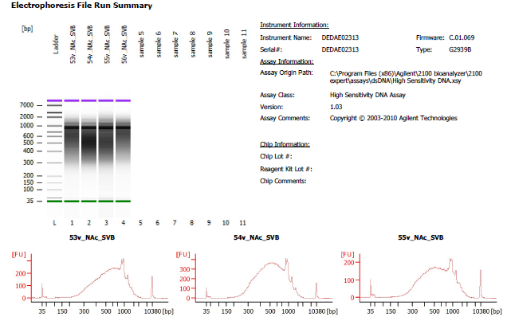
Sample # | Tissue | Brain | Slide # | Array # | Ct | cDNA Amp Cycle | Agilent [cDNA] pg/ul | Dilution Factor | Final [cDNA] pg/ul | Total cDNA ng yield
54v_NAc_SVB | Nac | Hs_Br6432 | V11D01-384 | B1 | 16.14 | 16 | 8,929.73 | 1.00 | 8929.73 | 357.19

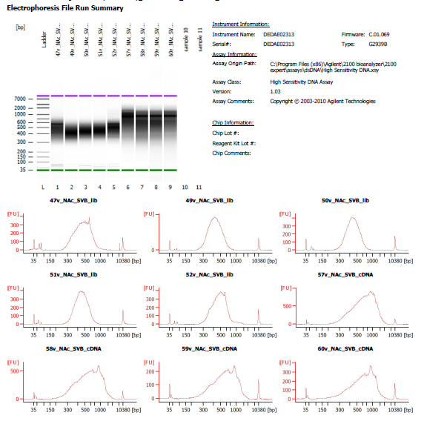
Sample # | Tissue | Brain | Slide # | Array # | Ct | cDNA Amp Cycle | Agilent [cDNA] pg/ul | Dilution Factor | Final [cDNA] pg/ul | Total cDNA ng yield
57v_NAc_SVB | NAc | Hs_Br6471 | V13M06-377-A1 | A1 | 15.59 | 16 | 15,435.01 | 1.00 | 15435.01 | 617.40
58v_NAc_SVB | NAc | Hs_Br6471 | V13M06-377-A1 | B1 | 15.49 | 16 | 12,116.83 | 1.00 | 12116.83 | 484.67
59v_NAc_SVB | NAc | Hs_Br6471 | V13M06-377-A1 | C1 | 15.81 | 16 | 4,620.09 | 1.00 | 4620.09 | 184.80
60v_NAc_SVB | NAc | Hs_Br6471 | V13M06-377-A1 | D1 | 14.01 | 16 | 4,961.15 | 1.00 | 4961.15 | 198.45

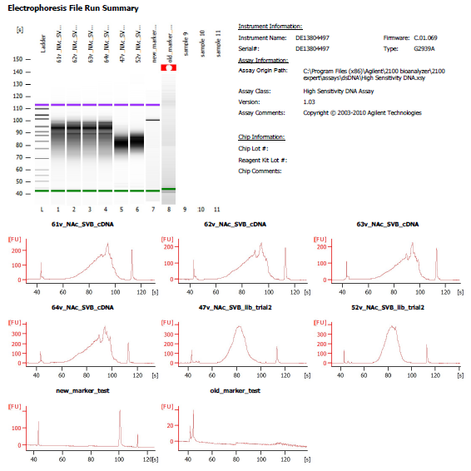
Sample # | Tissue | Brain | Slide # | Array # | Ct | cDNA Amp Cycle | Agilent [cDNA] pg/ul | Dilution Factor | Final [cDNA] pg/ul | Total cDNA ng yield
61v_NAc_SVB | NAc | Hs_Br2743 | V13M06-376 | A1 | 14.98 | 15 | 2,153.83 | 1.00 | 2153.83 | 86.15
62v_NAc_SVB | NAc | Hs_Br2743 | V13M06-376 | B1 | 15.01 | 15 | 2,036.06 | 1.00 | 2036.06 | 81.44
63v_NAc_SVB | NAc | Hs_Br2743 | V13M06-376 | C1 | 15.19 | 15 | 1,821.77 | 1.00 | 1821.77 | 72.87
64v_NAc_SVB | NAc | Hs_Br2743 | V13M06-376 | D1 | 15.98 | 16 | 3,197.67 | 1.00 | 3197.67 | 127.91

Lib Agilent
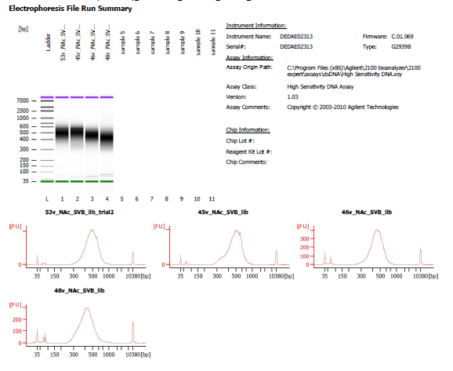
45v_Nac_SVB | 1 in 2 dilution
46v_Nac_SVB | 1 in 2 dilution
47_Nsc_SVB | 1 in 4 dilution
48v_Nac_SVB | No dilution

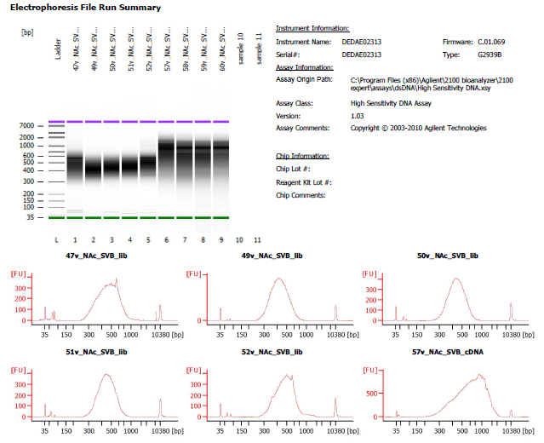
49v_Nac_SVB | 1 in 6 dilution
50v_Nac_SVB | 1 in 3 dilution
51v_Nac_SVB | 1 in 2 dilution
52v_Nac_SVB | 1 in 5 dilution

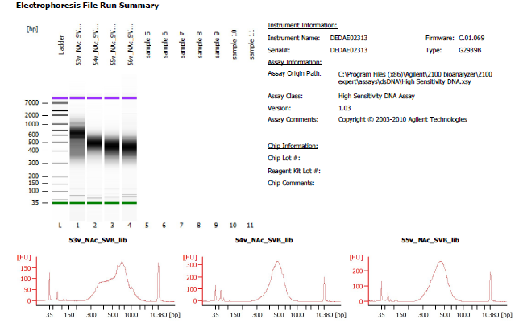
54v_NAc_SVB | No dilution

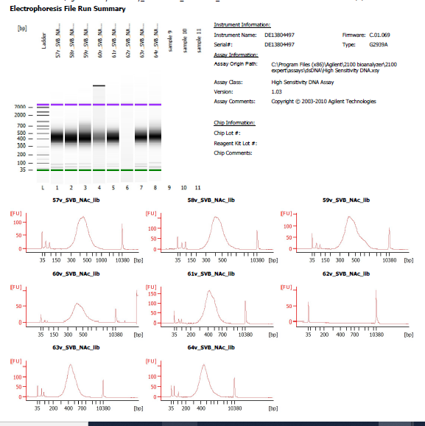
57v_NAc_SVB | 1 in 3 dilution
58v_NAc_SVB | 1 in 3 dilution
59v_NAc_SVB | 1 in 5 dilution
60v_NAc_SVB | 1 in 7 dilution

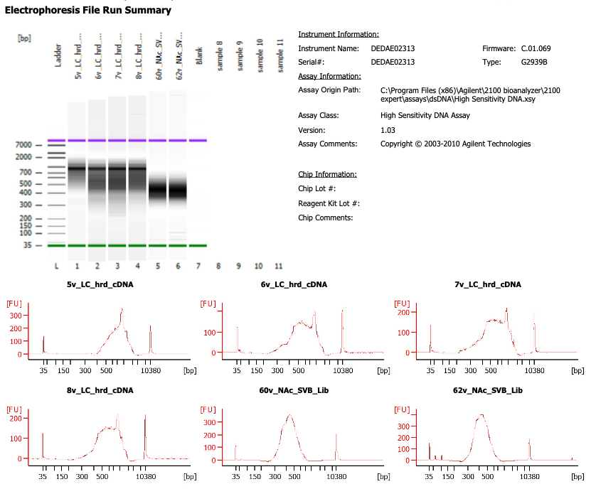

61v_NAc_SVB | 1 in 6 dilution
62v_NAc_SVB | 1 in 5 dilution
63v_NAc_SVB | 1 in 4 dilution
64v_NAc_SVB | 1 in 5 dilution

